charts
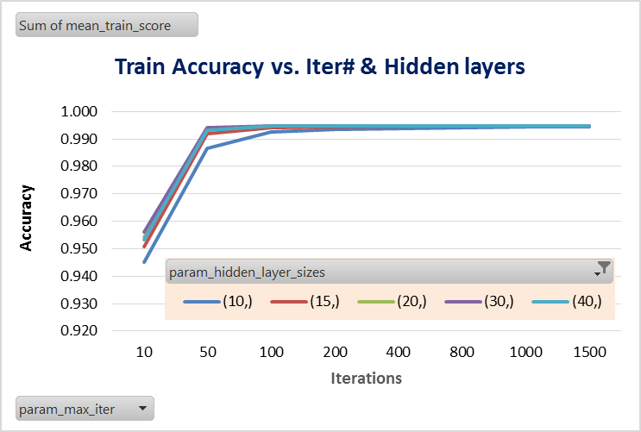
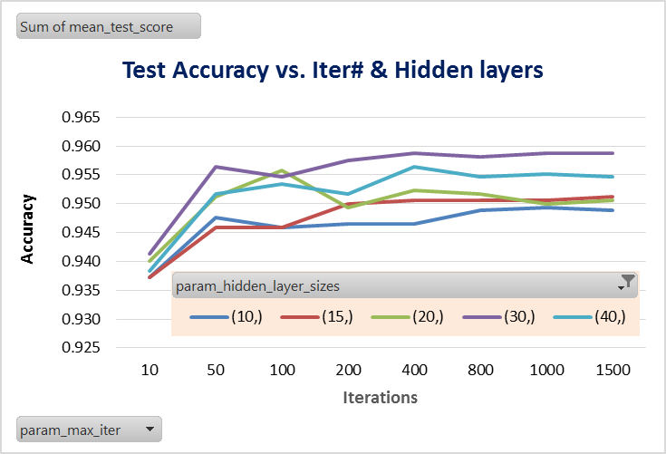
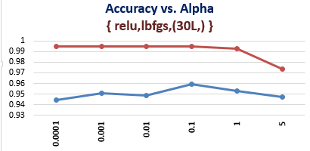
charts

P1
param_activation | relu
param_solver | lbfgs
param_alpha | 0.1

Row Labels | test | train
(30L,) | 0.95927865038 | 0.99476426938
(60L, 60L) | 0.95695171611 | 0.99476426938
(60L, 60L, 60L) | 0.95462478185 | 0.99476426938
(30L, 30L) | 0.95462478185 | 0.99476426938
(60L,) | 0.95346131472 | 0.99476426938
Accuracy vs. layer/nuerons { relu, lbfgs, α=0.1}
(30L, 30L, 30L) | 0.95229784759 | 0.99476426938
(15L, 15L, 15L) | 0.95171611402 | 0.99476426938
(15L,) | 0.95113438045 | 0.99461881484
(15L, 15L) | 0.94706224549 | 0.99476426938
Grand Total | 8.5811518325 | 8.9527329699

P2
Sum of mean_test_score | Column Labels
Row Labels | (10,) | (15,) | (20,) | (30,) | (40,) | Grand Total
10 | 0.93717277487 | 0.93717277487 | 0.9400814427 | 0.94124490983 | 0.938336242 | 4.6940081443
50 | 0.94764397906 | 0.94589877836 | 0.95113438045 | 0.95636998255 | 0.95171611402 | 4.7527632344
100 | 0.94589877836 | 0.94589877836 | 0.95578824898 | 0.95462478185 | 0.95346131472 | 4.7556719023
200 | 0.94648051193 | 0.94997091332 | 0.94938917976 | 0.95753344968 | 0.95171611402 | 4.7550901687
400 | 0.94648051193 | 0.95055264689 | 0.95229784759 | 0.95869691681 | 0.95636998255 | 4.7643979058
800 | 0.94880744619 | 0.95055264689 | 0.95171611402 | 0.95811518325 | 0.95462478185 | 4.7638161722
1000 | 0.94938917976 | 0.95055264689 | 0.94997091332 | 0.95869691681 | 0.95520651542 | 4.7638161722
1500 | 0.94880744619 | 0.95113438045 | 0.95055264689 | 0.95869691681 | 0.95462478185 | 4.7638161722
Accuracy vs. Iter# & Hidden layers
Grand Total | 7.5706806283 | 7.581733566 | 7.6009307737 | 7.6439790576 | 7.6160558464 | 38.013379872

